Annexure
Zerodha Mutual Fund

Disclosure of product label, risk-o-meter and potential risk class of schemes and risk-o-meter of benchmarks

Risk-o-meter of Scheme | Risk-o-meter of Benchmark | Product Labelling
Zerodha Overnight Fund | Nifty 1D Rate Index

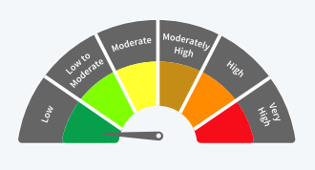
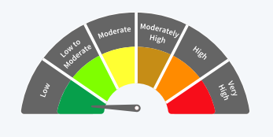
 |  | This product is suitable for investors who are seeking*:
 |  | 1. Short Term Savings
 |  | 2. To generate returns by investing in debt and money market instruments with overnight maturity
 |  | Investors should understand that their principal will be at Low Risk
 |  | *Investors should consult their financial advisers if in doubt about whether the product is suitable for them.

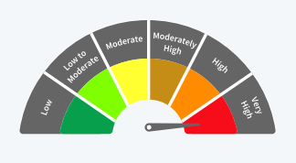
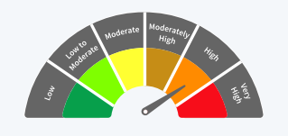
Zerodha Multi Asset Passive FoF | (60% Nifty 200 TRI + 15% CRISIL 10 year Gilt Index + 25% Domestic prices of Physical Gold)
 |  | This product is suitable for investors who are seeking*:
 |  | 1. Long term capital growth
 |  | 2. Diversified exposure by investing across multiple asset classes viz., Equity, Debt Index Funds/ ETFs and Commodity ETFs.
 |  | Investors should understand that their principal will be at Very High Risk
 |  | *Investors should consult their financial advisers if in doubt about whether the product is suitable for them.

Zerodha Nifty 8-13 Yr G-Sec ETF | Nifty 8-13 Yr G-Sec Index
 |  | This product is suitable for investors who are seeking*:
 |  | 1. Medium to Long Term Growth
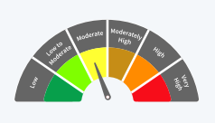
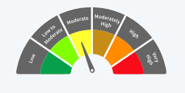
 |  | 2. Investment in securities in line with Nifty 8–13 Yr G-Sec Index to generate comparable returns subject to tracking error.
 |  | Investors should understand that their principal will be at Moderate Risk
 |  | *Investors should consult their financial advisers if in doubt about whether the product is suitable for them.

Zerodha Nifty Smallcap 100 ETF | Nifty Smallcap 100 TRI
 |  | This product is suitable for investors who are seeking*:
 |  | 1. Long term capital growth
 |  | 2. Investment in equity and equity related securities covered by Nifty Smallcap 100.
 |  | Investors should understand that their principal will be at Very High Risk
 |  | *Investors should consult their financial advisers if in doubt about whether the product is suitable for them.

Potential Risk Class of Zerodha Overnight Fund
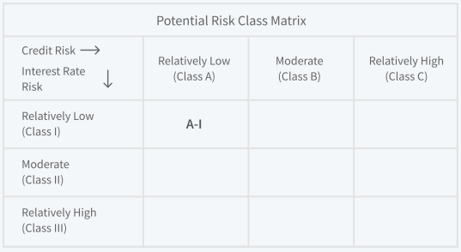

Potential Risk Class of Zerodha Nifty 8-13 Yr G-Sec ETF
